Sheet1
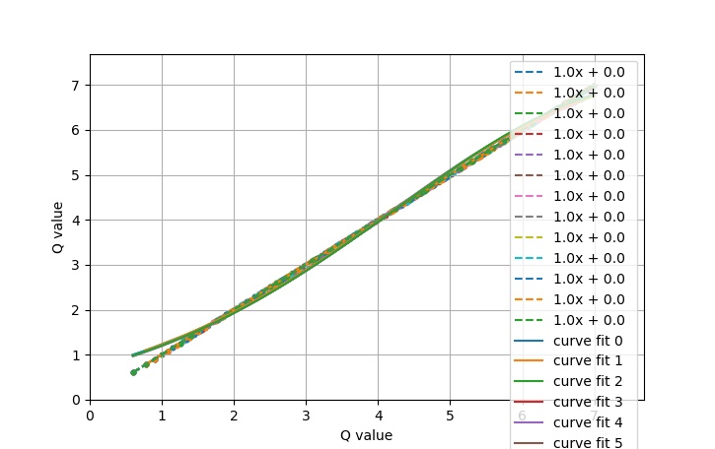
Q value | Q value
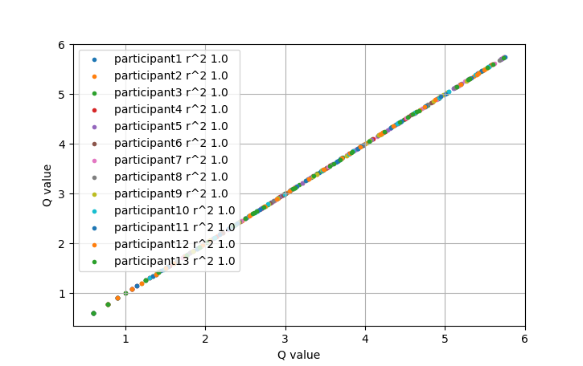

participant1 |  | Original R^2 Value | 1
Order | digit1 | digit2 | Answer | Actual answer | Q value | Time | Personal rating | Normalised rating | Fixed Q | Elements
12 | 8366 | 2946 | 11312 | 11312 | 6.066847511 | 14.268915892 | 30 | 69.76744186 | 6.146386054
15 | 2059 | 9 | 2068 | 2068 | 6.992752108 | 7.5145454407 | 8 | 18.604651163 | 3.4136349972
20 | 5667 | 6157 | 11824 | 11824 | 6.0220050062 | 10.354631662 | 15 | 34.88372093 | 5.8899512573
21 | 9976 | 8728 | 18704 | 18704 | 6.4744587018 | 12.017585278 | 43 | 100 | 6.329796393
23 | 9759 | 8798 | 18557 | 18557 | 6.661638933 | 9.9526426792 | 22 | 51.162790698 | 6.7187513987
24 | 6846 | 797 | 7643 | 7643 | 6.4885542416 | 11.395429611 | 22 | 51.162790698 | 6.0220743574
28 | 6989 | 889 | 7878 | 7878 | 6.8287753494 | 15.40951705 | 14 | 32.558139535 | 6.3017676694
29 | 8359 | 8174 | 16533 | 16533 | 5.9747363808 | 15.174140215 | 28 | 65.11627907 | 5.852089441
36 | 66 | 5698 | 5764 | 5764 | 6.5828868317 | 14.649269104 | 7 | 16.279069767 | 5.441475184

